Security
Only users included in a security role have access to the data

Unrestricted (full access) | Managers (only own workgroup) | Own Workgroup and Child Workgroups

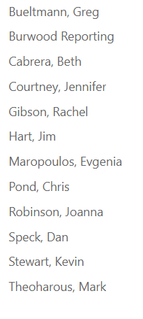
 |  | Dan Wons
 |  | Michele Low
 |  | Larry Metzger

